Sheet1
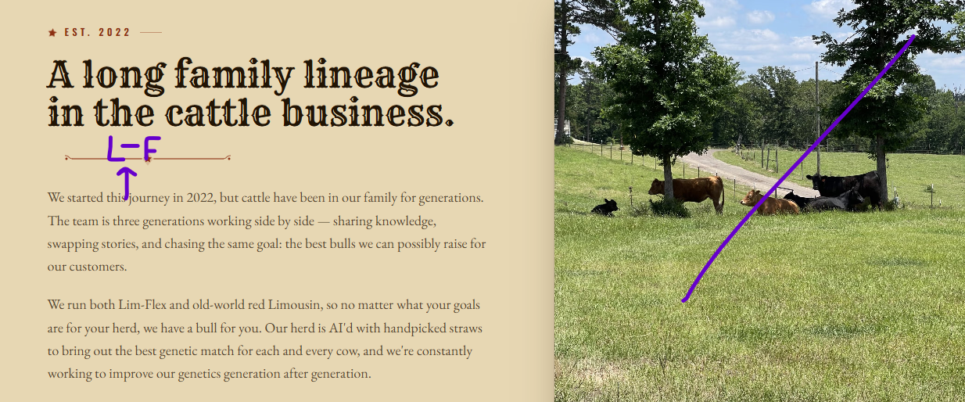
Home | Bulls | Cows | Why Lim-Flex | About Us | Contact
Please replace the video in the background with this native one. | Gallery of Bulls (Available, Coming Soon, Sold) | Gallery of Cows (Available) | Just FYI for Sean, we believe that Lim-Flex is the way forward, but some people still prefer the original Limousin so we have a couple of those as well. For perspective, we have 3 Limousin cows (the red ones) and 30 Lim-Flex, so Limousin is for sure a side event and not the main attraction. |  | What’s the difference between the Contact and Inquire Button?
“Registered Lim-Flex herd sires – developed for calving ease, carcass traits and cutout, feed to gain efficiency, and calm disposition.” | 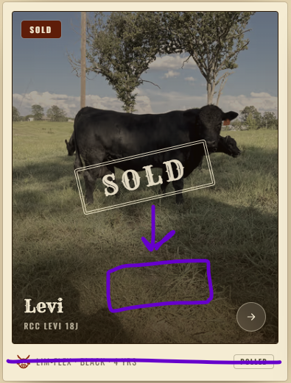 Can we move the "Sold" badge lower on the images so you can still see the center of the picture? I also don't think we need the bottom part of the picture frame. I don't want to have to update that part each time. | "We will have cows and heifers available from time to time as we advance our genetic lines. Reach out or check back to see if we have anything currently available."

 |  | There will be future activity here, so let's go ahead and add it please.
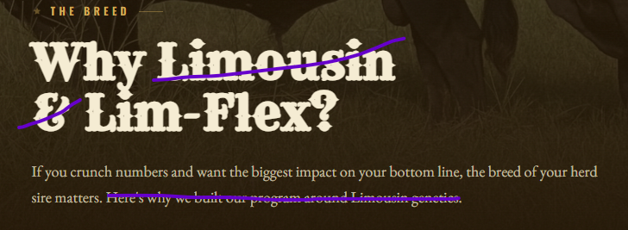

I'm not a fan of the little clipart images. Can we just remove those and make these few changes?

 |  |  |  | Please add "Lim-Flex" and replace with this picture.
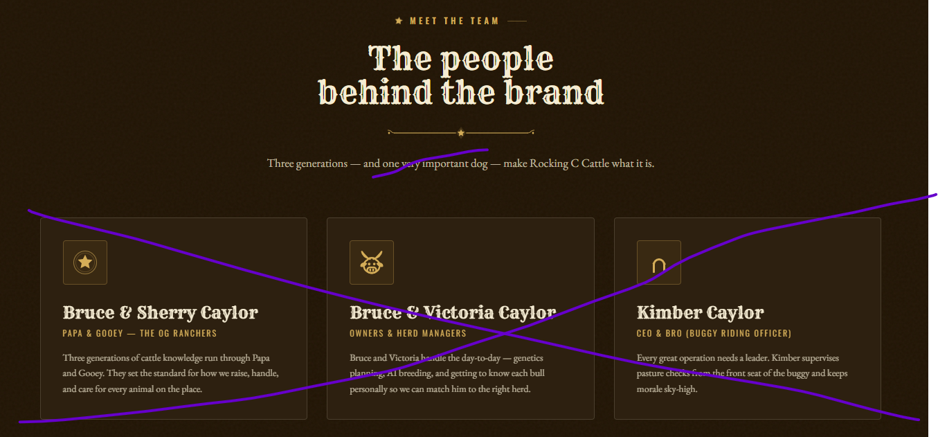
 |  |  | 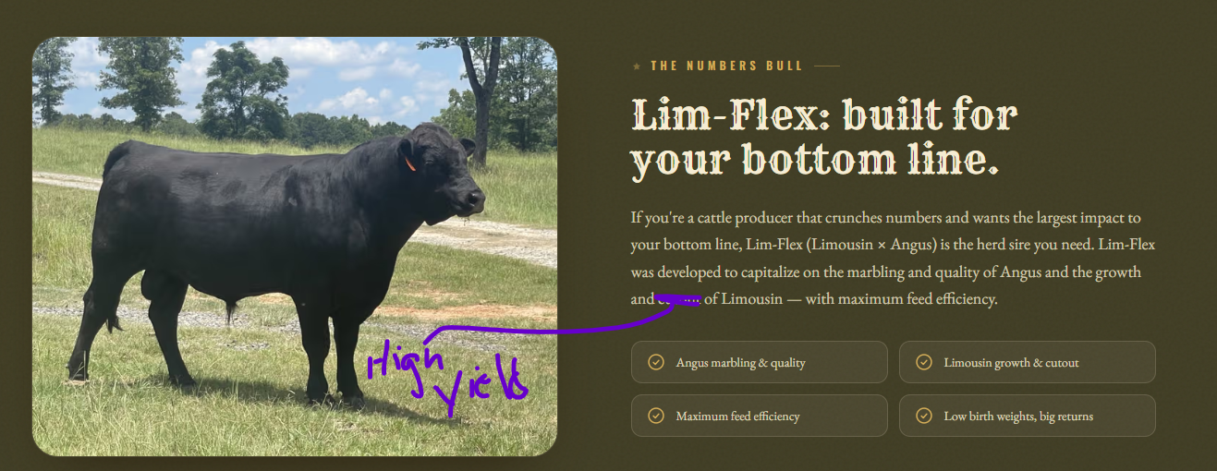 Please change cutout to high yield and add this to the text. "Lim-Flex was developed to mix the larger, longer, and deeper Limousin frame that has exceptional muscling, with the benefits of Angus. We reveiew generations of genetic information to find matches that will result in easy calving and explosive growth. We value maternal traits such as birth weight, milk, and stayability as well as the carcass traits that buyers want to see at the sale barn.
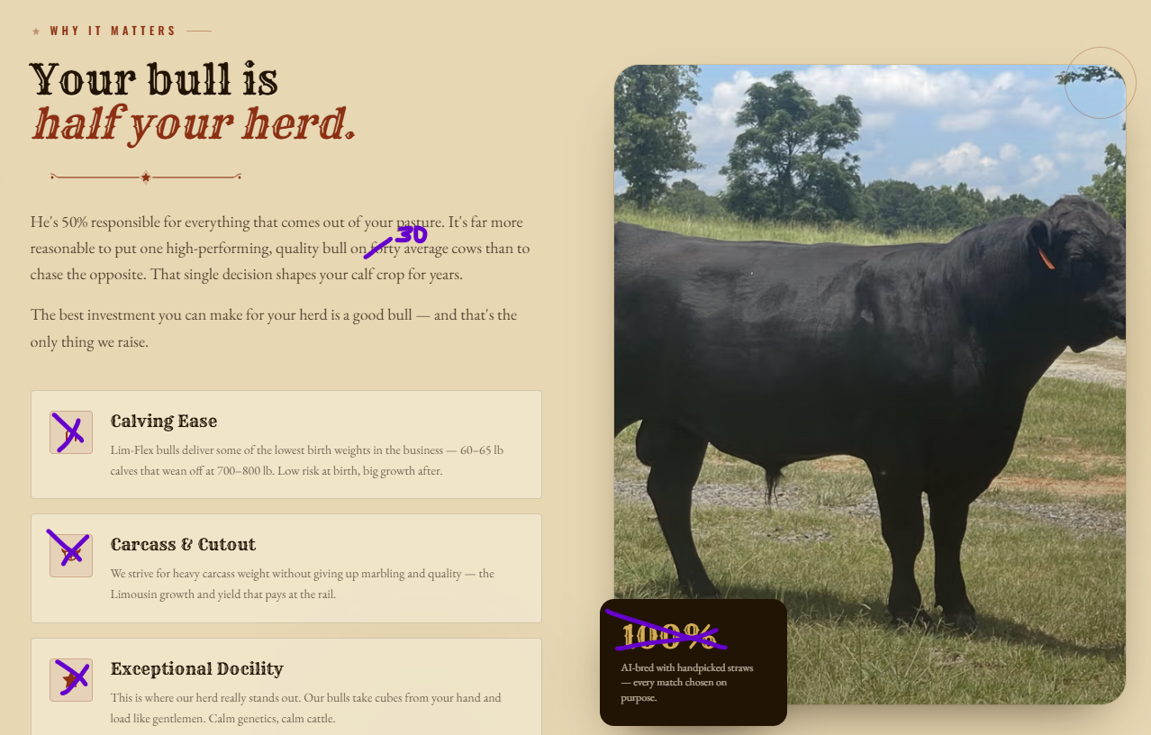 Please remove the little images, remove the 100% (we do have some that the AI doesn't take and we breed them to our cleanup bull), and change 40 to 30. I would also like to replace the picture with this one.

 |  |  |  | Maybe reformat this so it looks more like:
 |  |  |  | The people behind the brand
 |  |  |  | Bruce & Sherry Caylor
 |  |  |  | Bruce & Victoria Caylor, and Kimber
 |  |  |  | Bruce and Sherry provide wisdom as a generation that have lived and breathed cattle their whole lives. Bruce comes from a long line of cattlemen and cowboys. He was a Ranch Manager for many years and a part-time cowboy his whole life. Bruce spurred the idea to life with a simple comment: “I know Angus sell, but the best money I ever made with cattle was when I ran those Limousin bulls.”
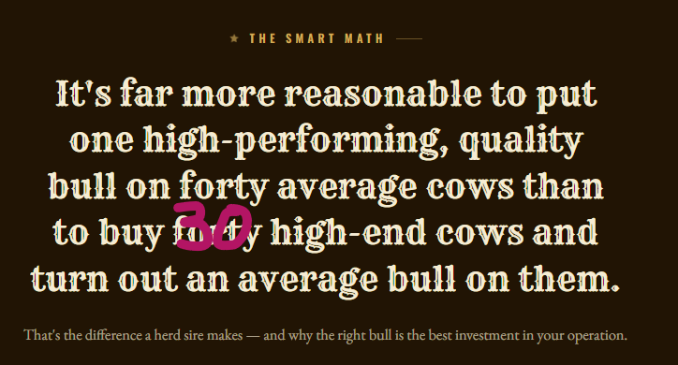

Let's take this out. I don't want to mislead people because those are OUR stats with highend Lim-flex cows bred by Lim-flex bulls. You can replace it with a text excerpt or just remove it.

 |  |  |  | Please update to read:
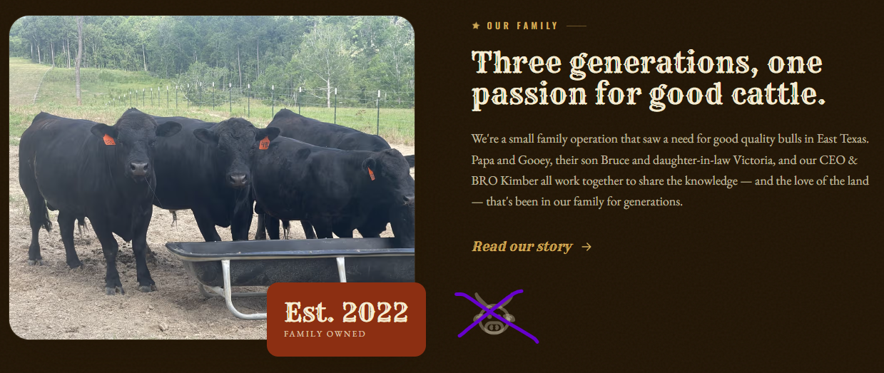 "We're a small family operation that saw a need for good quality bulls in East Texas. We all work together in the day to day operations and share a love for exception beef cattle." |  |  |  | Carcass weight & yield - We strive to maintain a high carcass yield without sacrificing the quality. These traits keep buyers coming back.
 |  |  | Once we completely cover the Lim-Flex info, we can throw in the Limousin blurb underneath.
 |  |  |  | Docility - This is where our herd really stands out. We specifically breed to maxamize this trait enabling us to offer some of the easiest handling bulls in the state.
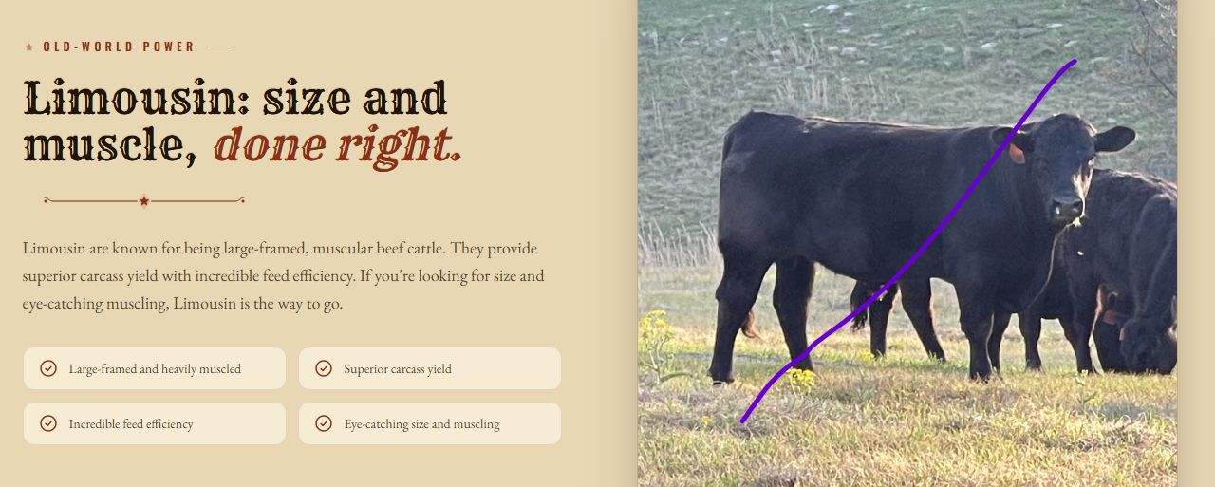
 |  |  | Please add “Our Limousin lines are from the UK and selectively AI’d to fullblood sires to maximize the old world features.”

 |  |  | Change the picture here to this one of a red cow.
 |  |  | 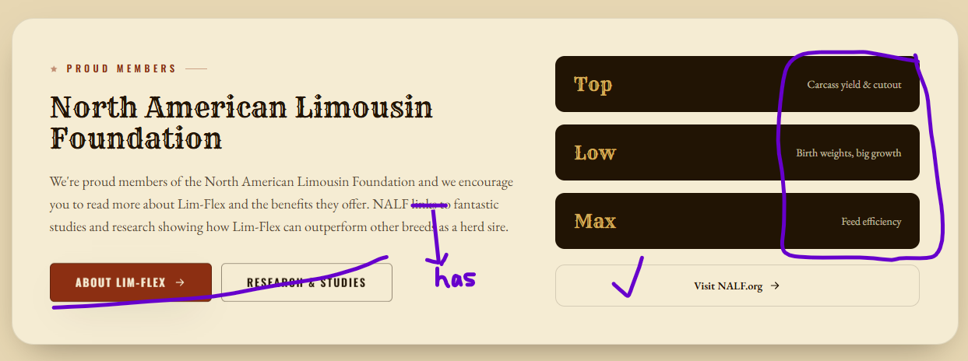 Can we increase the size of the font on the right? We can remove these links and keep just the NALF link.

